Indices

 | Iraq Stock Exchange
 | Bulletin No (222)

 | ISX Trading Indices of Thursday 11/12/2025

 | Traded Volume and OTC |  | 1,040,143,344 |  | Traded Value and OTC |  | 1,920,931,897 |  | Traders | 932

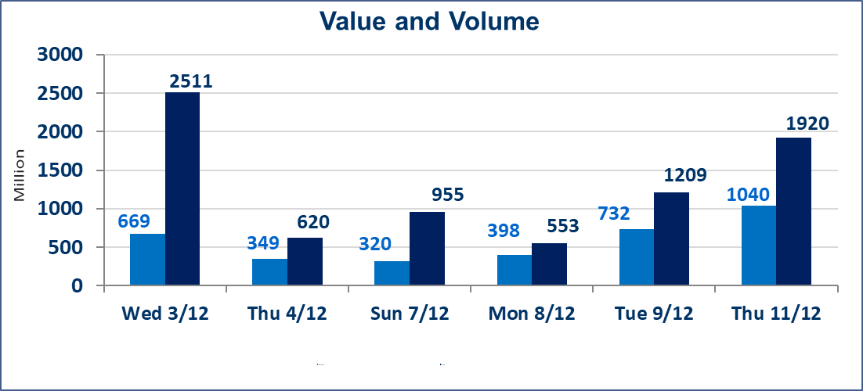
 | ISX Index 60 |  |  | 957.12 | ISX Index 15 |  |  | 1188.30
 | Previous ISX Index60 |  |  | 948.49 | Previous ISX Index15 |  |  | 1183.21
 | Change % |  |  | 0.91 | Change % |  |  | 0.43
 | Change |  |  | 8.63 | Change |  |  | 5.09

 | Listed Companies | 104 | OTC | 14 | Non Traded listed | 41 | OTC | 11
 | Traded Listed Companies | 47 | OTC | 1 | Higher Companies |  |  | 17
 | GAM Companies |  |  | 6 | Lower Companies |  |  | 10
 | Suspended Companies |  |  | 10
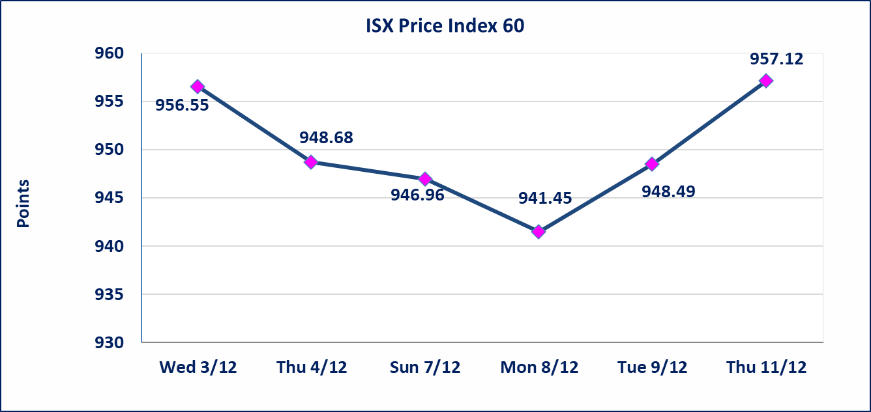
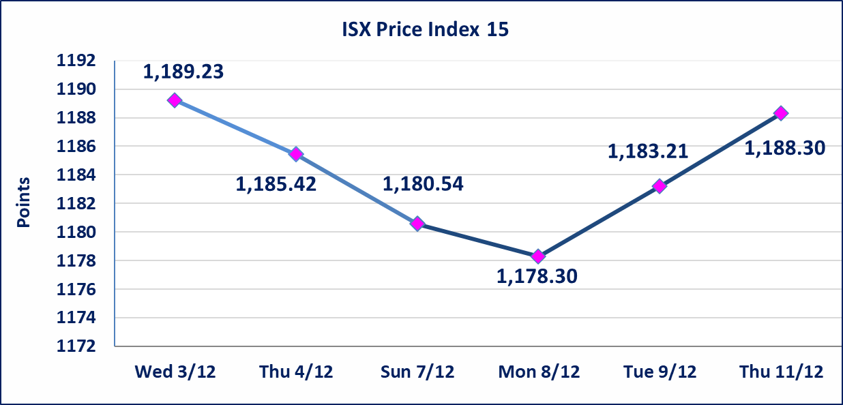

Al-Alwiya P.O . 3607 Mobile: 07711211522 - 07270094594 - 07834000034 E-mail: info-isx@isx-iq.net Web site:www.isx-iq.net

Top 5
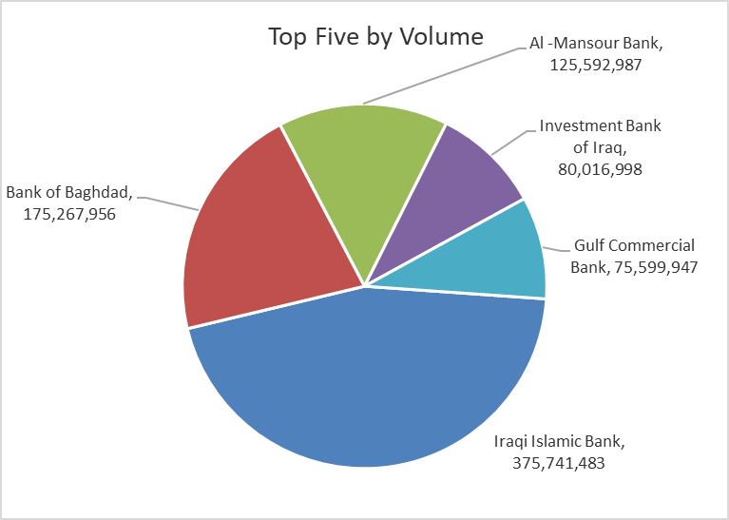
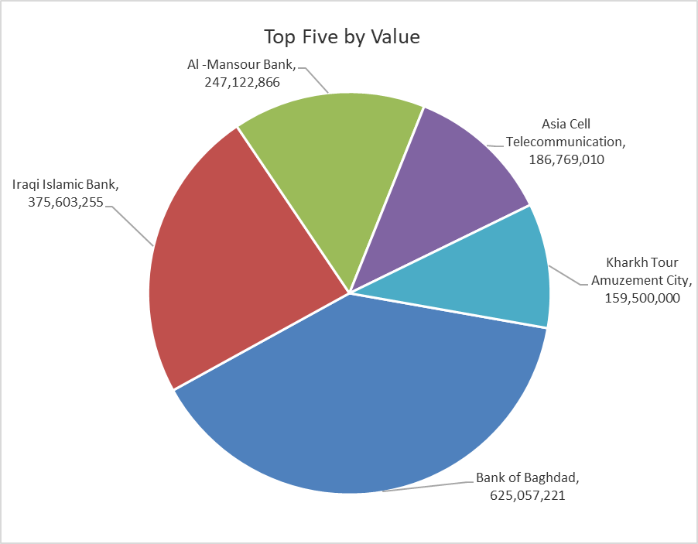
ISX top ganing and losing companies
Thursday 11/12/2025
Gainers |  |  |  | Losers
Company Name | Closing Price | Change (%) | Traded Volume | Company Name | Closing Price | Change (%) | Traded Volume
Iraqi Carton Manufactories | 3.000 | 9.89 | 21,383,593 | Metallic Industries and Bicycles | 1.950 | -7.14 | 300,000
Kurdistan International Bank | 1.200 | 9.09 | 19,950,000 | General Transportation | 1.880 | -4.57 | 5,000
Investment Bank of Iraq | 0.230 | 4.55 | 80,016,998 | AL-Nukhba for Construction | 0.880 | -2.22 | 1,583,803
Baghdad Hotel | 12.000 | 4.35 | 7,666 | Fallujah for construction Materials | 3.110 | -2.20 | 3,948,297
Modern Construction Materials | 0.750 | 4.17 | 200,000 | Al-Khatam Telecom | 3.250 | -1.81 | 854,399

The most active companies in term of traded volume and value

Traded Volume |  |  |  | Traded Value
Company Name | Closing Price | Change (%) | Traded Volume | Company Name | Closing Price | Change (%) | Traded Value
Iraqi Islamic Bank | 0.980 | 0.00 | 375,741,483 | Bank of Baghdad | 3.580 | 2.29 | 625,057,221
Bank of Baghdad | 3.580 | 2.29 | 175,267,956 | Iraqi Islamic Bank | 0.980 | 0.00 | 375,603,255
Al -Mansour Bank | 1.950 | 0.00 | 125,592,987 | Al -Mansour Bank | 1.950 | 0.00 | 247,122,866
Investment Bank of Iraq | 0.230 | 4.55 | 80,016,998 | Asia Cell Telecommunication | 13.180 | 0.30 | 186,769,010
Gulf Commercial Bank | 0.290 | 3.57 | 75,599,947 | Kharkh Tour Amuzement City | 5.500 | 0.00 | 159,500,000

OTC

Iraq Stock Exchange

Thursday 11/12/2025
OTC Platform Trading Bulletin No (222)
Company Name | Code | highest price | lowest price | Average price | No.of Trades | Traded Volume | Traded Value
Banks Sector
Al-Warka Bank | BWAI | 0.070 | 0.070 | 0.070 | 1 | 5,780,766 | 404,654
Total Of Banks Sector |  |  |  |  | 1 | 5,780,766 | 404,654
Total |  |  |  |  | 1 | 5,780,766 | 404,654

Not Trading OTC Companies
Company Name |  |  | Code |  | Previous Average price
Banks Sector
Al-Sanam Islamic Bank |  |  | BSAN |  | 3.000
Hammurabi Commercial Bank |  |  | BHAM |  | ـــــــــــــــــــــــــــــــــــ
Industrial Sector
Kirkuk producing constructional materials |  |  | IKFP |  | 1.260
Money Service Sector
Rabee Securities |  |  | FRSE |  | 9.500
Karmal Brokerage |  |  | FKSX |  | 10.000
Ishtar Gate for e-Paymant |  |  | FISH |  | 1.000
Sama Baghdad Exchange |  |  | FSBE |  | ـــــــــــــــــــــــــــــــــــ
Iraqi Deposit Insurance Corporation |  |  | FIDI |  | ـــــــــــــــــــــــــــــــــــ
Insurance Sector
Al Badia Insurance |  |  | NBAD |  | ـــــــــــــــــــــــــــــــــــ
Shatt Al Arab Insurance |  |  | NSHA |  | 1.000
Dilina Insurance Company |  |  | NDIL |  | ـــــــــــــــــــــــــــــــــــ

Non Iraqis

Iraq Stock Exchange
Non Iraqis' Bulletin Thursday Dec 11 2025
Regular Market

Non Iraqi Trading of Regular Market (Buy)
Company Names | Code | No.of trades | Traded Shares | Trading Volume
Banks Sector
Bank Of Baghdad | BBOB | 13 | 85,350,000 | 303,607,218
Al-Mansour Bank | BMNS | 1 | 232,000 | 457,040
Total Bank sector |  | 14 | 85,582,000 | 304,064,258
Grand Total |  | 14 | 85,582,000 | 304,064,258

Non Iraqi Trading of Regular Market (Sell)
Company Names | Code | No.of trades | Traded Shares | Trading Volume
Banks Sector
Iraqi Islamic Bank | BIIB | 1 | 367,176,629 | 367,176,629
Al-Mansour Bank | BMNS | 42 | 44,450,000 | 87,118,816
Total Bank sector |  | 43 | 411,626,629 | 454,295,445
Grand Total |  | 43 | 411,626,629 | 454,295,445

Non Iraqi Trading of Undisclosed Platform (Sell)
Company Names | Code | No.of trades | Traded Shares | Trading Volume
Industry Sector
Al -HiLal Industries | IHLI | 4 | 884,478 | 1,568,919
Total Industry sector |  | 4 | 884,478 | 1,568,919
Grand Total |  | 4 | 884,478 | 1,568,919

